Assignment 1
ASSIGNMENT1: | Select only the most recent order(s) in our orders table.

Query: | SELECT OrderID,CustomerID,EmployeeID,CONVERT(VARCHAR,OrderDate, 103) AS OrderDate,CONVERT(VARCHAR,RequiredDate, 103) AS RequiredDate,CONVERT(VARCHAR,ShippedDate, 103) AS ShippedDate,ShipVia,Freight,ShipName,ShipAddress,ShipCity,ShipRegion,ShipPostalCode,ShipCountry,OrderDate
 | FROM Orders WHERE OrderDate=(SELECT MAX(OrderDate) From Orders)
 | ORDER BY OrderDate DESC ;
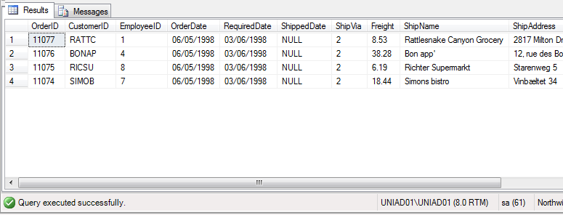
Output:

Assignment 2
ASSIGNMENT 2: | Display list of customers, together with the value of the most expensive item each has purchased.
 | Use table : Customers, Orders, Order Details
 | Order value = Order Detail.Unitprice * Order Detail.Quantity - Discount (If Applicable)

Query: | SELECT Customers.ContactName, MAX(OrderDetails.UnitPrice * OrderDetails.Quantity - OrderDetails.Discount) AS ExpensiveProduct
 | FROM Customers INNER JOIN Orders ON
 | Customers.CustomerID = Orders.CustomerID INNER JOIN
 | OrderDetails ON Orders.OrderID=OrderDetails.OrderID
 | GROUP BY Customers.ContactName,OrderDetails.UnitPrice
 | Order By ExpensiveProduct DESC;

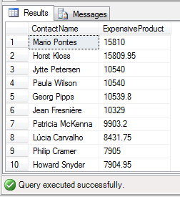
Output:

Assignment 3
ASSIGNMENT 3: | Create new table called Employee_Temp.
 | Create two columns firstname and last name
 | Insert all firstname, lastname from employees table to Employee_Temp table

Query: | CREATE TABLE Employee_Temp(firstname nvarchar(10),lastname nvarchar(20)); | SELECT * FROM Employee_Temp;
 | INSERT INTO Employee_Temp (firstname, lastname)
 | SELECT FirstName, LastName FROM Employees;


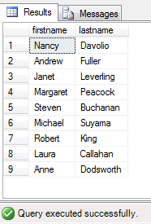
Output:

